rawdata
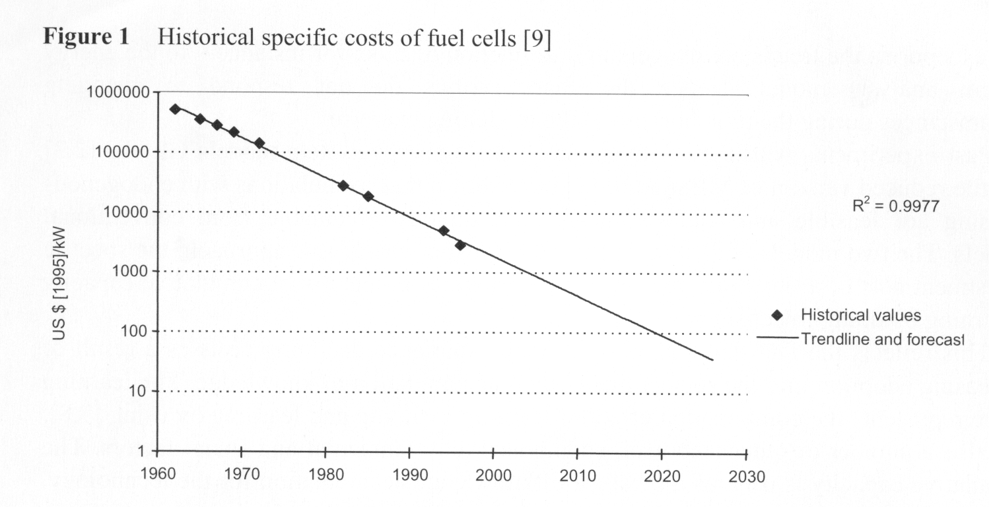
Year | kW/$
1963 | 2.00E-03
1965 | 2.50E-03
1967 | 2.86E-03
1969 | 4.00E-03
1972 | 6.67E-03
1982 | 3.33E-02
1985 | 5.00E-02
1994 | 1.43E-01
1996 | 2.50E-01

Fuel Cell Improvement Curve
 | #REF!
1963 | 1
1965
1967
1969
1972
1982
1985
1994
1996

Fuel Cell Curve2
Fuel Cell Improvement Curve
Year | $/kW | kW/$
1963 | 500000 | 0.002
1965 | 400000 | 0.0025
1967 | 350000 | 0.0028571428571
1969 | 250000 | 0.004
1972 | 150000 | 0.0066666666667
1982 | 30000 | 0.033333333333
1985 | 20000 | 0.05
1994 | 7000 | 0.14285714286
1996 | 4000 | 0.25

Fuel Cell Improvement Curve

